Sales
2022-09-01 | 9/1/2022 | 9/2/2022 | 9/3/2022 | 9/4/2022 | 9/5/2022 | 9/6/2022 | 9/7/2022 | 9/8/2022 | 9/9/2022 | 9/10/2022 | 9/11/2022 | 9/12/2022 | 9/13/2022 | 9/14/2022 | 9/15/2022 | 9/16/2022 | 9/17/2022 | 9/18/2022 | 9/19/2022 | 9/20/2022 | 9/21/2022 | 9/22/2022 | 9/23/2022 | 9/24/2022 | 9/25/2022 | 9/26/2022 | 9/27/2022 | 9/28/2022 | 9/29/2022 | 9/30/2022
 | THU | FRI | SAT | SUN | MON | TUE | WED | THU | FRI | SAT | SUN | MON | TUE | WED | THU | FRI | SAT | SUN | MON | TUE | WED | THU | FRI | SAT | SUN | MON | TUE | WED | THU | FRI
Weekend Work |  |  | Beno | Beno |  |  |  |  |  | Gaja | Gaja |  |  |  |  |  | Peter | Peter |  |  |  |  |  | Beno | Beno
Notes |  | November Shipping Launch |  |  |  |  |  |  |  |  |  | A/B Test Secret Offer |  |  |  |  |  |  |  |  |  |  | sub_tags Added
 |  |  |  |  |  |  |  |  |  |  |  |  |  |  |  | Suet Ball added to every order |  |  | Original Suet Ball has discount attached instead of selling it as a new item |  |  |  | Google Optimize Restart |  |  |  |  |  |  | People buying addons from thankyou page
 |  |  |  |  |  |  |  |  |  |  |  |  |  |  |  | Fence Mount removed from sales |  |  |  |  |  | Subscription A/B Testing

Shopify | $1,866.64 | $3,802.44 | $7,821.00 | $10,530.48 | $8,387.22 | $12,838.28 | $9,060.75 | $7,982.33 | $8,020.04 | $6,063.12 | $9,565.35 | $6,141.11 | $5,215.14 | $5,758.29 | $5,617.66 | $6,373.03 | $7,985.31 | $6,793.78 | $6,085.52 | $6,937.21 | $5,892.36 | $5,470.41 | $8,945.11 | $10,982.29 | $4,880.90 | $5,348.81 | $5,744.55 | $6,917.60 | $6,410.30 | $13,025.04
Total Revenue | $1,866.64 | $3,802.44 | $7,821.00 | $10,530.48 | $8,387.22 | $12,838.28 | $9,060.75 | $7,982.33 | $8,020.04 | $6,063.12 | $9,565.35 | $6,141.11 | $5,215.14 | $5,758.29 | $5,617.66 | $6,373.03 | $7,985.31 | $6,793.78 | $6,085.52 | $6,937.21 | $5,892.36 | $5,470.41 | $8,945.11 | $10,982.29 | $4,880.90 | $5,348.81 | $5,744.55 | $6,917.60 | $6,410.30 | $13,025.04
Orders | 8 | 12 | 28 | 35 | 27 | 41 | 28 | 27 | 24 | 20 | 33 | 18 | 16 | 18 | 19 | 18 | 23 | 24 | 19 | 25 | 18 | 19 | 31 | 35 | 17 | 16 | 16 | 22 | 22 | 112

FB - US & CA | $1,147.42 | $1,498.37 | $3,055.11 | $3,602.02 | $3,381.51 | $4,783.02 | $4,827.58 | $4,422.54 | $3,665.09 | $3,051.76 | $2,815.00 | $2,869.72 | $2,966.87 | $1,907.32 | $1,754.69 | $1,771.76 | $3,253.64 | $3,090.36 | $1,921.24 | $1,769.44 | $2,144.41 | $2,037.39 | $3,195.94 | $4,662.48 | $3,494.33 | $2,213.10 | $1,556.11 | $1,941.69 | $3,485.50 | $3,701.78
Google - WW | $141.00 | $139.07 | $120.99 | $148.48 | $149.48 | $146.00 | $118.00 | $188.00 | $32.07 | $31.50 | $143.00 | $133.00 | $116.00 | $157.00 | $142.00 | $102.11 | $241.60 | $127.00 | $108.00 | $161.00 | $140.00 | $131.00 | $153.29 | $162.28 | $160.56 | $116.63 | $127.68 | $168.00 | $118.00 | $175.79
Bing - WW | $4.91 | $5.69 | $3.11 | $5.63 | $7.80 | $3.71 | $3.86 | $6.93 | $3.69 | $2.19 | $2.49 | $5.09 | $5.96 | $4.66 | $1.84 | $5.64 | $24.53 | $10.33 | $5.10 | $9.50 | $5.15 | $4.71 | $4.64 | $7.47 | $7.74 | $12.50 | $4.55 | $5.07 | $5.04 | $7.04
TikTok - US & CA | $0.00 | $0.00 | $0.00 | $0.00 | $0.00 | $0.00 | $0.00 | $6.78 | $199.89 | $197.77 | $200.00 | $198.72 | $196.13 | $123.22 | $0.00 | $0.00 | $0.00 | $0.00 | $0.00 | $0.00 | $0.00 | $0.00 | $0.00 | $0.00 | $0.00 | $0.00 | $0.00 | $0.00 | $0.00 | $0.00
MNTN TV |  |  |  |  |  |  |  |  |  |  |  |  |  |  |  |  |  |  |  |  |  |  | $132.63 | $638.40 | $736.35 | $477.24 | $0.00 | $0.00 | $0.00 | $0.00
Affiliate Fees - US |  |  |  |  |  |  |  |  |  |  | $60.20
Total Spend | $1,293.33 | $1,643.13 | $3,179.21 | $3,756.13 | $3,538.79 | $4,932.73 | $4,949.44 | $4,624.25 | $3,900.74 | $3,283.22 | $3,220.69 | $3,206.53 | $3,284.96 | $2,192.20 | $1,898.53 | $1,879.51 | $3,519.77 | $3,227.69 | $2,034.34 | $1,939.94 | $2,289.56 | $2,173.10 | $3,486.50 | $5,470.63 | $4,398.98 | $2,819.47 | $1,688.34 | $2,114.76 | $3,608.54 | $3,884.61

ROAS | 1.44 | 2.31 | 2.46 | 2.80 | 2.37 | 2.60 | 1.83 | 1.73 | 2.06 | 1.85 | 2.97 | 1.92 | 1.59 | 2.63 | 2.96 | 3.39 | 2.27 | 2.10 | 2.99 | 3.58 | 2.57 | 2.52 | 2.57 | 2.01 | 1.11 | 1.90 | 3.40 | 3.27 | 1.78 | 3.35
CAC | $161.67 | $136.93 | $113.54 | $107.32 | $131.07 | $120.31 | $176.77 | $171.27 | $162.53 | $164.16 | $97.60 | $178.14 | $205.31 | $121.79 | $99.92 | $104.42 | $153.03 | $134.49 | $107.07 | $77.60 | $127.20 | $114.37 | $112.47 | $156.30 | $258.76 | $176.22 | $105.52 | $96.13 | $164.02 | $34.68
CR | 0.39% | 0.54% | 1.17% | 1.32% | 1.02% | 1.29% | 0.90% | 0.98% | 0.90% | 0.75% | 1.34% | 0.70% | 0.69% | 0.88% | 1.28% | 0.98% | 0.78% | 0.82% | 0.76% | 1.16% | 0.81% | 0.99% | 1.05% | 1.11% | 0.70% | 0.69% | 0.64% | 1.25% | 0.83% | 2.05%
AOV | $233.33 | $316.87 | $279.32 | $300.87 | $310.64 | $313.13 | $323.60 | $295.64 | $334.17 | $303.16 | $289.86 | $341.17 | $325.95 | $319.91 | $295.67 | $354.06 | $347.19 | $283.07 | $320.29 | $277.49 | $327.35 | $287.92 | $288.55 | $313.78 | $287.11 | $334.30 | $359.03 | $314.44 | $291.38 | $116.30

Post-purchase Survey
Facebook / Instagram | 50.00% | 33.33% | 63.64% | 85.71% | 42.86% | 72.22% | 66.67% | 70.00% | 83.33% | 70.00% | 88.89% | 66.67% | 62.50% | 83.33% | 85.71% | 60.00% | 60.00% | 75.00% | 22.22% | 88.89% | 83.33% | 100.00% | 70.00% | 81.25% | 71.43% | 60.00% | 75.00% | 50.00% | 85.71% | 65.00%
Friends / Family | 0.00% | 33.33% | 18.18% | 7.14% | 28.57% | 16.67% | 16.67% | 20.00% | 0.00% | 10.00% | 0.00% | 11.11% | 25.00% | 0.00% | 0.00% | 30.00% | 10.00% | 12.50% | 33.33% | 0.00% | 8.33% | 0.00% | 20.00% | 12.50% | 28.57% | 20.00% | 12.50% | 25.00% | 0.00% | 10.00%
Google, Yahoo, Bing | 25.00% | 0.00% | 0.00% | 0.00% | 0.00% | 11.11% | 0.00% | 10.00% | 8.33% | 20.00% | 0.00% | 11.11% | 0.00% | 16.67% | 0.00% | 0.00% | 0.00% | 12.50% | 11.11% | 0.00% | 8.33% | 0.00% | 0.00% | 0.00% | 0.00% | 0.00% | 12.50% | 12.50% | 0.00% | 5.00%
Pinterest | 0.00% | 0.00% | 0.00% | 0.00% | 0.00% | 0.00% | 0.00% | 0.00% | 0.00% | 0.00% | 0.00% | 0.00% | 0.00% | 0.00% | 0.00% | 0.00% | 0.00% | 0.00% | 0.00% | 0.00% | 0.00% | 0.00% | 0.00% | 0.00% | 0.00% | 0.00% | 0.00% | 0.00% | 14.29% | 0.00%
TikTok | 0.00% | 0.00% | 0.00% | 0.00% | 0.00% | 0.00% | 8.33% | 0.00% | 8.33% | 0.00% | 11.11% | 0.00% | 12.50% | 0.00% | 0.00% | 0.00% | 0.00% | 0.00% | 0.00% | 0.00% | 0.00% | 0.00% | 0.00% | 0.00% | 0.00% | 20.00% | 0.00% | 12.50% | 0.00% | 0.00%
TV / Radio | 0.00% | 33.33% | 9.09% | 0.00% | 0.00% | 0.00% | 0.00% | 0.00% | 0.00% | 0.00% | 0.00% | 0.00% | 0.00% | 0.00% | 0.00% | 0.00% | 30.00% | 0.00% | 0.00% | 0.00% | 0.00% | 0.00% | 0.00% | 0.00% | 0.00% | 0.00% | 0.00% | 0.00% | 0.00% | 0.00%
Blog / Article | 25.00% | 0.00% | 9.09% | 7.14% | 28.57% | 0.00% | 8.33% | 0.00% | 0.00% | 0.00% | 0.00% | 11.11% | 0.00% | 0.00% | 14.29% | 10.00% | 0.00% | 0.00% | 33.33% | 11.11% | 0.00% | 0.00% | 10.00% | 6.25% | 0.00% | 0.00% | 0.00% | 0.00% | 0.00% | 20.00%

 | 2022-09-01 | Goal | % of Goal
Revenue | $216,462.07 |  | #DIV/0!
Spend | $93,439.60
ROAS | 2.32
CAC | $121.19
CR | 0.96%
AOV | $280.75
Orders | 771
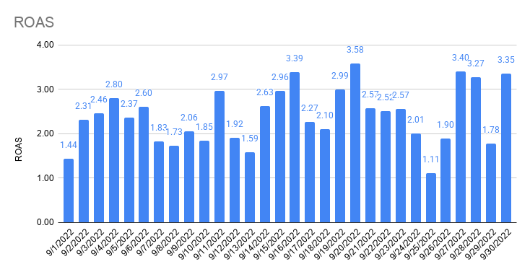
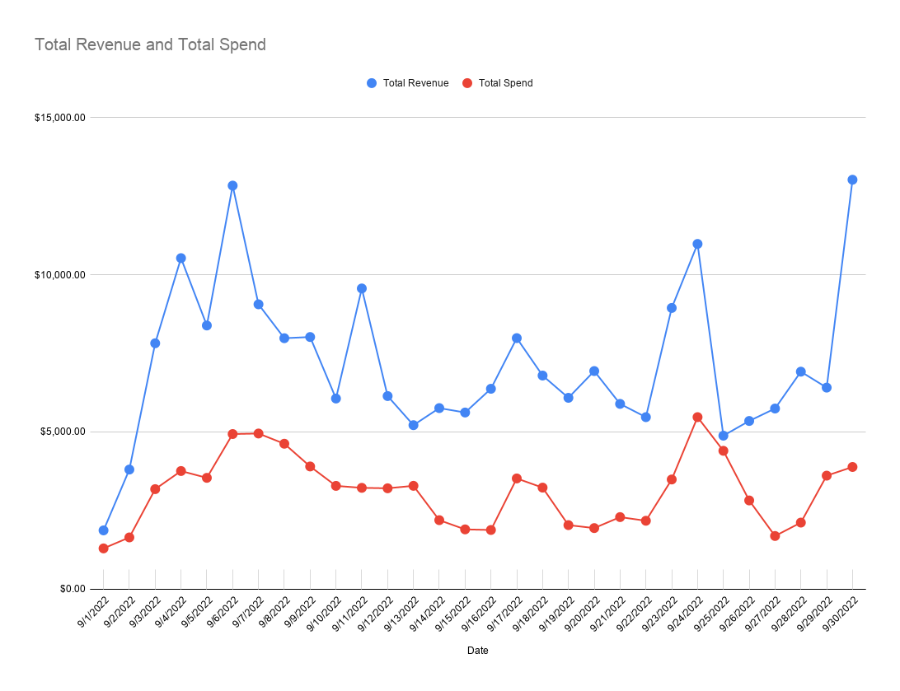

Total Revenue and Total Spend

Attribution
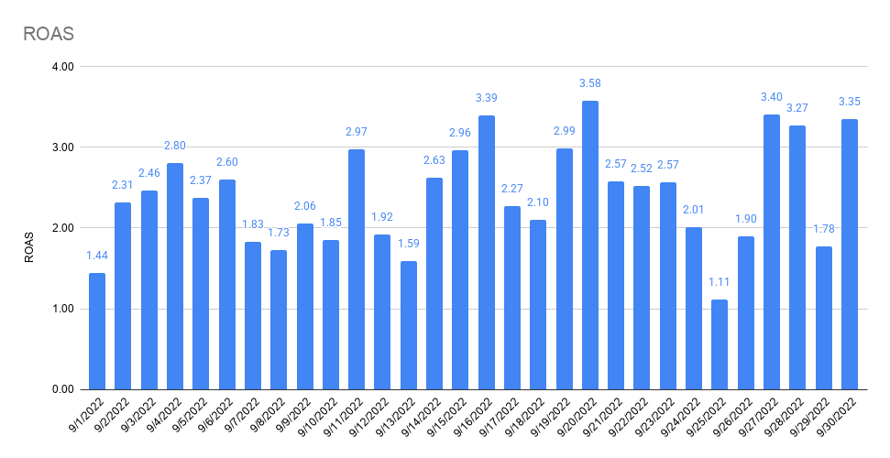
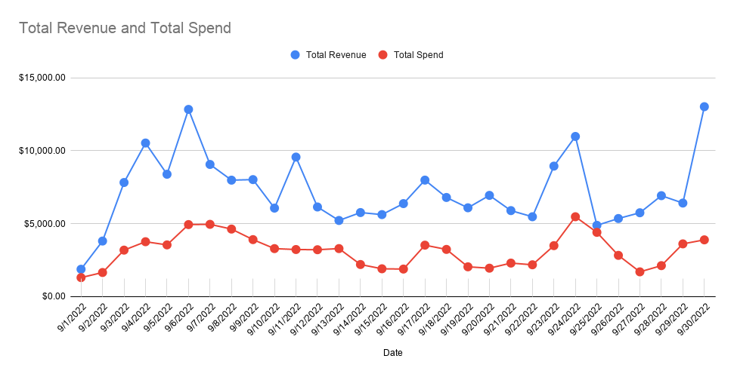
 | 9/1/2022 | 9/2/2022 | 9/3/2022 | 9/4/2022 | 9/5/2022 | 9/6/2022 | 9/7/2022 | 9/8/2022 | 9/9/2022 | 9/10/2022 | 9/11/2022 | 9/12/2022 | 9/13/2022 | 9/14/2022 | 9/15/2022 | 9/16/2022 | 9/17/2022 | 9/18/2022 | 9/19/2022 | 9/20/2022 | 9/21/2022 | 9/22/2022 | 9/23/2022 | 9/24/2022 | 9/25/2022 | 9/26/2022 | 9/27/2022 | 9/28/2022 | 9/29/2022 | 9/30/2022
 | THU | FRI | SAT | SUN | MON | TUE | WED | THU | FRI | SAT | SUN | MON | TUE | WED | THU | FRI | SAT | SUN | MON | TUE | WED | THU | FRI | SAT | SUN | MON | TUE | WED | THU | FRI
FB Orders | 1 | 2 | 17 | 18 | 19 | 29 | 18 | 18 | 15 | 13 | 20 | 11 | 7 | 8 | 12 | 8 | 16 | 14 | 9 | 11 | 12 | 12 | 13 | 17 | 11 | 7 | 5 | 13 | 16
All Orders | 8 | 12 | 28 | 35 | 27 | 41 | 28 | 27 | 24 | 20 | 33 | 18 | 16 | 18 | 19 | 18 | 23 | 24 | 19 | 25 | 18 | 19 | 31 | 35 | 17 | 16 | 16 | 22 | 22 | 112
% Attributed to FB (Ads Manager) | 13% | 17% | 61% | 51% | 70% | 71% | 64% | 67% | 63% | 65% | 61% | 61% | 44% | 44% | 63% | 44% | 70% | 58% | 47% | 44% | 67% | 63% | 42% | 49% | 65% | 44% | 31% | 59% | 73% | 0%

Attribution

Notes

FB Orders (Shopify) | 1 | 2 | 17 | 18 | 19 | 29 | 18 | 18 | 15 | 13 | 20 | 11 | 7 | 8 | 12 | 8 | 16 | 14 | 9 | 11 | 12 | 12 | 13 | 17 | 11 | 7 | 5 | 13 | 16

FB Offline Conversions (Shopify) | 0 | 0 | 0 | 0 | 0 | 0 | 0 | 0 | 0 | 0 | 0 | 0 | 0 | 0 | 0 | 0 | 0 | 0 | 0 | 0 | 0 | 0 | 0 | 0 | 0 | 0 | 0 | 0 | 0
% difference | 0.00% | 0.00% | 0.00% | 0.00% | 0.00% | 0.00% | 0.00% | 0.00% | 0.00% | 0.00% | 0.00% | 0.00% | 0.00% | 0.00% | 0.00% | 0.00% | 0.00% | 0.00% | 0.00% | 0.00% | 0.00% | 0.00% | 0.00% | 0.00% | 0.00% | 0.00% | 0.00% | 0.00% | 0.00% | #DIV/0!
 |  |  |  |  |  |  |  |  |  |  |  |  |  |  |  |  |  |  |  |  |  |  |  |  |  |  | 2
GA (UTM: fb-paid) Orders (Shopify) | 1 | 1 | 16 | 14 | 12 | 17 | 13 | 14 | 12 | 10 | 15 | 9 | 4 | 9 | 6 | 5 | 9 | 11 | 7 | 10 | 9 | 10 | 11 | 13 | 5 | 4 |  | 11 | 14
% difference | 100.00% | 50.00% | 94.12% | 77.78% | 63.16% | 58.62% | 72.22% | 77.78% | 80.00% | 76.92% | 75.00% | 81.82% | 57.14% | 112.50% | 50.00% | 62.50% | 56.25% | 78.57% | 77.78% | 90.91% | 75.00% | 83.33% | 84.62% | 76.47% | 45.45% | 57.14% | 0.00% | 84.62% | 87.50% | #DIV/0!

Social Orders (Shopify) | 1 | 1 | 16 | 14 | 12 | 18 | 15 | 14 | 12 | 10 | 18 | 5 | 1 | 6 | 1 | 1 | 4 | 6 | 7 | 12 | 8 | 5 | 10 | 4 | 1 | 5 | 1 | 10 | 13
% difference | 100.00% | 50.00% | 94.12% | 77.78% | 63.16% | 62.07% | 83.33% | 77.78% | 80.00% | 76.92% | 90.00% | 45.45% | 14.29% | 75.00% | 8.33% | 12.50% | 25.00% | 42.86% | 77.78% | 109.09% | 0.00% | 41.67% | 76.92% | 23.53% | 9.09% | 71.43% | 20.00% | 76.92% | 81.25% | #DIV/0!

Shopify (All) | 8 | 12 | 28 | 35 | 27 | 41 | 28 | 27 | 24 | 20 | 33 | 18 | 16 | 18 | 19 | 18 | 23 | 24 | 19 | 25 | 18 | 19 | 31 | 35 | 17 | 16 | 16 | 22 | 22 | 112

GA (Shopify) | 6 | 10 | 27 | 33 | 26 | 40 | 25 | 26 | 23 | 18 | 30 | 17 | 16 | 16 | 19 | 17 | 24 | 21 | 16 | 23 | 17 | 18 | 22 | 34 | 17 | 13 | 11 | 22 | 22
% difference | 75.00% | 83.33% | 96.43% | 94.29% | 96.30% | 97.56% | 89.29% | 96.30% | 95.83% | 90.00% | 90.91% | 94.44% | 100.00% | 88.89% | 100.00% | 94.44% | 104.35% | 87.50% | 84.21% | 92.00% | 94.44% | 94.74% | 70.97% | 97.14% | 100.00% | 81.25% | 68.75% | 100.00% | 100.00% | 0.00%

PP Survey (All) Order Views | 11 | 13 | 30 | 35 | 33 | 44 | 29 | 32 | 25 | 19 | 32 | 26 | 21 | 20 | 20 | 26 | 24 | 26 | 21 | 29 | 20 | 31 | 21 | 30 | 17 | 30 | 18 | 21 | 23
% difference | 137.50% | 108.33% | 107.14% | 100.00% | 122.22% | 107.32% | 103.57% | 118.52% | 104.17% | 95.00% | 96.97% | 144.44% | 131.25% | 111.11% | 105.26% | 144.44% | 104.35% | 108.33% | 110.53% | 116.00% | 111.11% | 163.16% | 67.74% | 85.71% | 100.00% | 187.50% | 112.50% | 95.45% | 104.55% | 0.00%

Facebook Attribution
Conversion value by channel | 494.87 | 568.75 | 4,324.36 | 4,630.37 | 5,075.82 | 8,017.85 | 4,964.57 | 4,786.22 | 4,713.39 | 3,631.32 | 5,087.06 | 3,165.70 | 1,968.43 | 2,086.22 | 3,639.85 | 1,966.38 | 1,309.51 | 983.34 | 832.06 | 2,518.09 | 3,455.55 | 3,272.68 | 3,869.56 | 5,348.56 | 2,678.20 | 2,097.14 | 2,100.55 | 3,869.56 | 4,103.39
FB CV | $571.31 | $656.60 | $4,992.30 | $5,345.58 | $5,859.83 | $9,256.29 | $5,731.40 | $5,525.50 | $5,441.42 | $4,192.21 | $5,872.81 | $3,654.67 | $2,272.47 | $2,408.46 | $4,202.06 | $2,270.11 | $1,511.78 | $1,135.23 | $960.58 | $2,907.03 | $3,989.29 | $3,778.18 | $4,467.25 | $6,174.70 | $3,091.87 | $2,421.06 | $2,425.00 | $4,467.25 | $4,737.20 | $0.00
GA UTM CV | $330.22 | $305.81 | $4,520.65 | $4,090.16 | $3,939.86 | $5,374.54 | $4,217.69 | $4,171.80 | $4,445.83 | $3,182.05 | $4,619.18 | $3,027.61 | $1,245.92 | $2,960.94 | $1,904.37 | $1,706.15 | $3,655.25 | $3,149.65 | $2,169.82 | $2,900.59 | $2,929.45 | $3,079.69 | $3,158.11 | $4,433.69 | $1,378.18 | $1,296.46 | $1,009.38 | $3,158.11 | $3,958.99
TW CV | $330.22 | $931.81 | $4,722.09 | $4,722.09 | $5,593.21 | $7,454.42 | $5,400.14 | $5,019.80 | $5,241.75 | $4,357.91 | $5,767.65 | $3,817.61 | $2,217.11 | $3,292.25 | $3,032.10 | $2,740.08 | $4,590.19 | $3,389.65 | $2,530.82 | $3,403.73 | $4,112.71 | $3,608.60 | $3,802.27 | $5,502.59 | $2,454.01 | $2,621.67 | $1,009.38 | $3,802.27 | $4,555.05
Overall CV | $1,866.64 | $3,802.44 | $7,821.00 | $10,530.48 | $8,387.22 | $12,838.28 | $9,060.75 | $7,982.33 | $8,020.04 | $6,063.12 | $9,565.35 | $6,141.11 | $5,215.14 | $5,758.29 | $5,617.66 | $6,373.03 | $7,985.31 | $6,793.78 | $6,085.52 | $6,937.21 | $5,892.36 | $5,470.41 | $8,945.11 | $10,982.29 | $4,880.90 | $5,348.81 | $5,744.55 | $6,917.60 | $6,410.30 | $13,025.04

Orders by channel
FB OR | 1 | 2 | 17 | 18 | 19 | 29 | 18 | 18 | 15 | 13 | 20 | 11 | 7 | 8 | 12 | 8 | 16 | 14 | 9 | 11 | 12 | 12 | 13 | 17 | 11 | 7 | 5 | 13 | 16
GA UTM OR | 1 | 1 | 16 | 14 | 12 | 17 | 13 | 14 | 12 | 10 | 15 | 9 | 4 | 9 | 6 | 5 | 9 | 11 | 7 | 10 | 9 | 10 | 11 | 13 | 5 | 4 |  | 11 | 14
TW OR | 1 | 3 | 17 | 18 | 15 | 21 | 16 | 14 | 15 | 14 | 18 | 10 | 7 | 10 | 8 | 7 | 11 | 11 | 8 | 11 | 11 | 11 | 14 | 17 | 9 | 8 | 2 | 13 | 16 | 13
Overall OR | 8 | 12 | 28 | 35 | 27 | 41 | 28 | 27 | 24 | 20 | 33 | 18 | 16 | 18 | 19 | 18 | 23 | 24 | 19 | 25 | 18 | 19 | 31 | 35 | 17 | 16 | 16 | 22 | 22 | 112

Attribution % by channel (CV) | 9/1/2022 | 9/2/2022 | 9/3/2022 | 9/4/2022 | 9/5/2022 | 9/6/2022 | 9/7/2022 | 9/8/2022 | 9/9/2022 | 9/10/2022 | 9/11/2022 | 9/12/2022 | 9/13/2022 | 9/14/2022 | 9/15/2022 | 9/16/2022 | 9/17/2022 | 9/18/2022 | 9/19/2022 | 9/20/2022 | 9/21/2022 | 9/22/2022 | 9/23/2022 | 9/24/2022 | 9/25/2022 | 9/26/2022 | 9/27/2022 | 9/28/2022 | 9/29/2022 | 9/30/2022
Difference FB / Overall | 30.61% | 17.27% | 63.83% | 50.76% | 69.87% | 72.10% | 63.26% | 69.22% | 67.85% | 69.14% | 61.40% | 59.51% | 43.57% | 41.83% | 74.80% | 35.62% | 18.93% | 16.71% | 15.78% | 41.90% | 67.70% | 69.07% | 49.94% | 56.22% | 63.35% | 45.26% | 42.21% | 64.58% | 73.90% | 0.00%
Difference GA UTM / Overall | 17.69% | 8.04% | 57.80% | 38.84% | 46.97% | 41.86% | 46.55% | 52.26% | 55.43% | 52.48% | 48.29% | 49.30% | 23.89% | 51.42% | 33.90% | 26.77% | 45.77% | 46.36% | 35.66% | 41.81% | 49.72% | 56.30% | 35.31% | 40.37% | 28.24% | 24.24% | 17.57% | 45.65% | 61.76% | 0.00%
Difference TW / Overall | 17.69% | 24.51% | 60.38% | 44.84% | 66.69% | 58.06% | 59.60% | 62.89% | 65.36% | 71.88% | 60.30% | 62.16% | 42.51% | 57.17% | 53.97% | 42.99% | 57.48% | 49.89% | 41.59% | 49.06% | 69.80% | 65.97% | 42.51% | 50.10% | 50.28% | 49.01% | 17.57% | 54.97% | 71.06% | 0.00%

Attribution % by channel (OR) | 9/1/2022 | 9/2/2022 | 9/3/2022 | 9/4/2022 | 9/5/2022 | 9/6/2022 | 9/7/2022 | 9/8/2022 | 9/9/2022 | 9/10/2022 | 9/11/2022 | 9/12/2022 | 9/13/2022 | 9/14/2022 | 9/15/2022 | 9/16/2022 | 9/17/2022 | 9/18/2022 | 9/19/2022 | 9/20/2022 | 9/21/2022 | 9/22/2022 | 9/23/2022 | 9/24/2022 | 9/25/2022 | 9/26/2022 | 9/27/2022 | 9/28/2022 | 9/29/2022 | 9/30/2022
Difference FB / Overall | 12.50% | 16.67% | 60.71% | 51.43% | 70.37% | 70.73% | 64.29% | 66.67% | 62.50% | 65.00% | 60.61% | 61.11% | 43.75% | 44.44% | 63.16% | 44.44% | 69.57% | 58.33% | 47.37% | 44.00% | 66.67% | 63.16% | 41.94% | 48.57% | 64.71% | 43.75% | 31.25% | 59.09% | 72.73% | 0.00%
Difference GA UTM / Overall | 12.50% | 8.33% | 57.14% | 40.00% | 44.44% | 41.46% | 46.43% | 51.85% | 50.00% | 50.00% | 45.45% | 50.00% | 25.00% | 50.00% | 31.58% | 27.78% | 39.13% | 45.83% | 36.84% | 40.00% | 50.00% | 52.63% | 35.48% | 37.14% | 29.41% | 25.00% | 0.00% | 50.00% | 63.64% | 0.00%
Difference TW / Overall | 12.50% | 25.00% | 60.71% | 51.43% | 55.56% | 51.22% | 57.14% | 51.85% | 62.50% | 70.00% | 54.55% | 55.56% | 43.75% | 55.56% | 42.11% | 38.89% | 47.83% | 45.83% | 42.11% | 44.00% | 61.11% | 57.89% | 45.16% | 48.57% | 52.94% | 50.00% | 12.50% | 59.09% | 72.73% | 11.61%

ROAS by channel | 9/1/2022 | 9/2/2022 | 9/3/2022 | 9/4/2022 | 9/5/2022 | 9/6/2022 | 9/7/2022 | 9/8/2022 | 9/9/2022 | 9/10/2022 | 9/11/2022 | 9/12/2022 | 9/13/2022 | 9/14/2022 | 9/15/2022 | 9/16/2022 | 9/17/2022 | 9/18/2022 | 9/19/2022 | 9/20/2022 | 9/21/2022 | 9/22/2022 | 9/23/2022 | 9/24/2022 | 9/25/2022 | 9/26/2022 | 9/27/2022 | 9/28/2022 | 9/29/2022 | 9/30/2022
FB ROAS | 0.50 | 0.44 | 1.63 | 1.48 | 1.73 | 1.94 | 1.19 | 1.25 | 1.48 | 1.37 | 2.09 | 1.27 | 0.77 | 1.26 | 2.39 | 1.28 | 0.46 | 0.37 | 0.50 | 1.64 | 1.86 | 1.85 | 1.40 | 1.32 | 0.88 | 1.09 | 1.56 | 2.30 | 1.36 | 0.00
GA UTM ROAS | 0.29 | 0.20 | 1.48 | 1.14 | 1.17 | 1.12 | 0.87 | 0.94 | 1.21 | 1.04 | 1.64 | 1.06 | 0.42 | 1.55 | 1.09 | 0.96 | 1.12 | 1.02 | 1.13 | 1.64 | 1.37 | 1.51 | 0.99 | 0.95 | 0.39 | 0.59 | 0.65 | 1.63 | 1.14 | 0.00
TW ROAS | 0.29 | 0.62 | 1.55 | 1.31 | 1.65 | 1.56 | 1.12 | 1.14 | 1.43 | 1.43 | 2.05 | 1.33 | 0.75 | 1.73 | 1.73 | 1.55 | 1.41 | 1.10 | 1.32 | 1.92 | 1.92 | 1.77 | 1.19 | 1.18 | 0.70 | 1.18 | 0.65 | 1.96 | 1.31 | 0.00
Overall ROAS | 1.44 | 2.31 | 2.46 | 2.80 | 2.37 | 2.60 | 1.83 | 1.73 | 2.06 | 1.85 | 2.97 | 1.92 | 1.59 | 2.63 | 2.96 | 3.39 | 2.27 | 2.10 | 2.99 | 3.58 | 2.57 | 2.52 | 2.57 | 2.01 | 1.11 | 1.90 | 3.40 | 3.27 | 1.78 | 3.35

CAC by channel | 9/1/2022 | 9/2/2022 | 9/3/2022 | 9/4/2022 | 9/5/2022 | 9/6/2022 | 9/7/2022 | 9/8/2022 | 9/9/2022 | 9/10/2022 | 9/11/2022 | 9/12/2022 | 9/13/2022 | 9/14/2022 | 9/15/2022 | 9/16/2022 | 9/17/2022 | 9/18/2022 | 9/19/2022 | 9/20/2022 | 9/21/2022 | 9/22/2022 | 9/23/2022 | 9/24/2022 | 9/25/2022 | 9/26/2022 | 9/27/2022 | 9/28/2022 | 9/29/2022 | 9/30/2022
FB CAC | $1,147.42 | $749.19 | $179.71 | $200.11 | $177.97 | $164.93 | $268.20 | $245.70 | $244.34 | $234.75 | $140.75 | $260.88 | $423.84 | $238.41 | $146.22 | $221.47 | $203.35 | $220.74 | $213.47 | $160.86 | $178.70 | $169.78 | $245.84 | $274.26 | $317.67 | $316.16 | $311.22 | $149.36 | $217.84 | #DIV/0!
GA UTM CAC | $1,147.42 | $1,498.37 | $190.94 | $257.29 | $281.79 | $281.35 | $371.35 | $315.90 | $305.42 | $305.18 | $187.67 | $318.86 | $741.72 | $211.92 | $292.45 | $354.35 | $361.52 | $280.94 | $274.46 | $176.94 | $238.27 | $203.74 | $290.54 | $358.65 | $698.87 | $553.27 | #DIV/0! | $176.52 | $248.96 | #DIV/0!
TW CAC | $1,147.42 | $499.46 | $179.71 | $200.11 | $225.43 | $227.76 | $301.72 | $315.90 | $244.34 | $217.98 | $156.39 | $286.97 | $423.84 | $190.73 | $219.34 | $253.11 | $295.79 | $280.94 | $240.16 | $160.86 | $194.95 | $185.22 | $228.28 | $274.26 | $388.26 | $276.64 | $778.05 | $149.36 | $217.84 | $284.75
Overall CAC | $161.67 | $136.93 | $113.54 | $107.32 | $131.07 | $120.31 | $176.77 | $171.27 | $162.53 | $164.16 | $97.60 | $178.14 | $205.31 | $121.79 | $99.92 | $104.42 | $153.03 | $134.49 | $107.07 | $77.60 | $127.20 | $114.37 | $112.47 | $156.30 | $258.76 | $176.22 | $105.52 | $96.13 | $164.02 | $34.68

ROAS by channel
CAC by channel

Attribution % by channel (CV)
Attribution % by channel (OR)

